Binders's Beverage
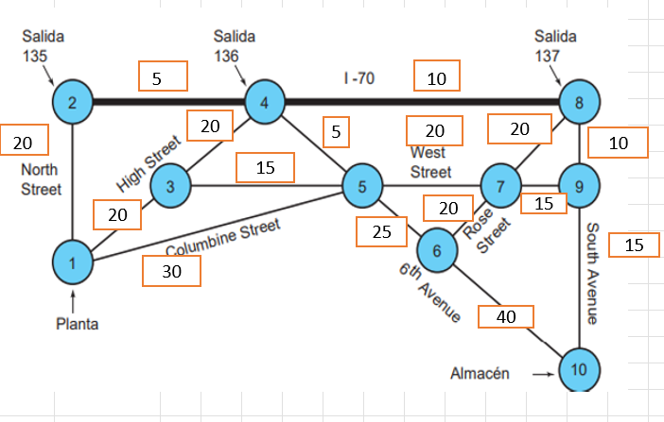
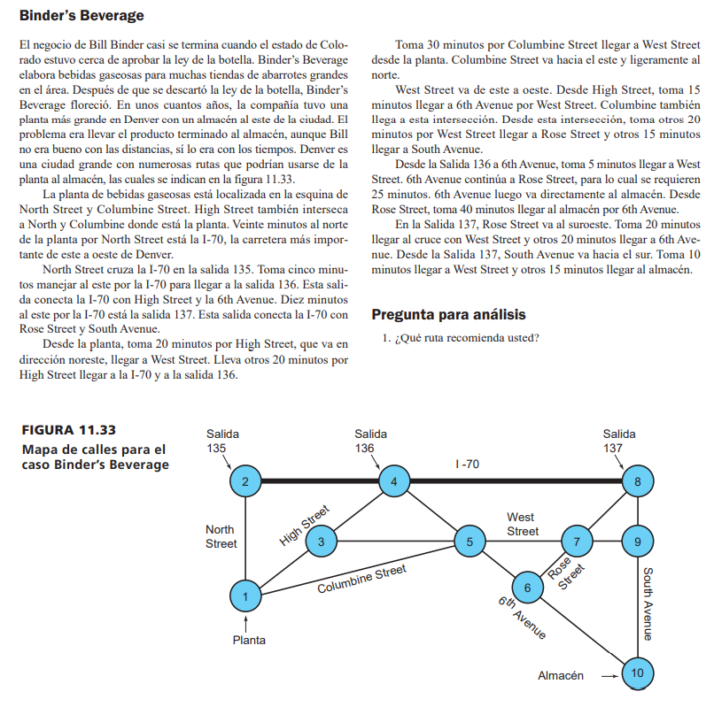
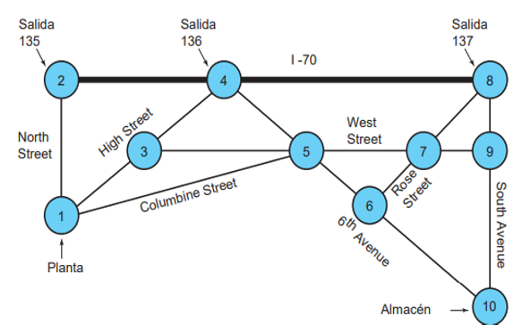

5
10

20
5
20
20
20
10
15
20
20
15
25
30
15

40

1. Variables
 | Xij= Distancia del nodo i al nodo j

2. Función
 | Min Z = 20X12 + 20X13 + 30X15 + 5X24 + 20X34 + 15X35 + 5X45 + 10X48 + 20X57 + 25X56 + 40X610 + 20X67 + 20X78 + 15X79 + 10X89 + 15X910

3. Restricciones
 | Sujeto a;

Nodo 1 | X12 + X13 + X15 = 1
Nodo 2 | X12 - X24 = 0
Nodo 3 | X13 - X34 - X35 = 0
Nodo 4 | X24 + X34 - X45 - X48 = 0
Nodo 5 | X15 + X35 + X45 - X56 - X57 = 0
Nodo 6 | X56 - X67 - X610 = 0
Nodo 7 | X57 + X67 - X78 - X79 = 0
Nodo 8 | X48 + X78 - X89 = 0
Nodo 9 | X79 + X89 - X910 = 0
Nodo 10 | X610 + X910 = 1
 | Xij ≥ 0 ꓯ i,j

 | X12 | X13 | X15 | X24 | X34 | X35 | X45 | X48 | X57 | X56 | X610 | X67 | X78 | X79 | X89 | X910
Variables | 1 | 0 | 0 | 1 | 0 | 0 | 0 | 1 | 0 | 0 | 0 | 0 | 0 | 0 | 1 | 1 | Z
F.O. | 20 | 20 | 30 | 5 | 20 | 15 | 5 | 10 | 20 | 25 | 40 | 20 | 20 | 15 | 10 | 15 | 60

Nodo 1 | 1 | 1 | 1 |  |  |  |  |  |  |  |  |  |  |  |  |  | 1 | = | 1
Nodo 2 | 1 |  |  | -1 |  |  |  |  |  |  |  |  |  |  |  |  | 0 | = | 0
Nodo 3 |  | 1 |  |  | -1 | -1 |  |  |  |  |  |  |  |  |  |  | 0 | = | 0
Nodo 4 |  |  |  | 1 | 1 |  | -1 | -1 |  |  |  |  |  |  |  |  | 0 | = | 0
Nodo 5 |  |  | 1 |  |  | 1 | 1 |  | -1 | -1 |  |  |  |  |  |  | 0 | = | 0
Nodo 6 |  |  |  |  |  |  |  |  |  | 1 | -1 | -1 |  |  |  |  | 0 | = | 0
Nodo 7 |  |  |  |  |  |  |  |  | 1 |  |  | 1 | -1 | -1 |  |  | 0 | = | 0
Nodo 8 |  |  |  |  |  |  |  | 1 |  |  |  |  | 1 |  | -1 |  | 0 | = | 0
Nodo 9 |  |  |  |  |  |  |  |  |  |  |  |  |  | 1 | 1 | -1 | 0 | = | 0
Nodo 10 |  |  |  |  |  |  |  |  |  |  | 1 |  |  |  |  | 1 | 1 | = | 1

